Sheet1
To calculate the total length of Urbano Drive, just two straight line measurements are needed:
 | 1) The distance between north Urbano and south Urbano, which is also the diameter of the semicircles at both ends of Urbano;
 | 2) The distance between the east and west ends of Urbano, using a line drawn through the sundial.
 |  |  | feet | Circumference of circle
 |  | Diameter of circle: | 730 | π x d | 2,293
 |  | Horizontal length of Urbano: | 1,956 |  | feet | Length of outer sidewalk of Urbano Drive:
 |  | Length (-) diameter of circle (E6-E5): | 1,226 |  |  | (Width of Urbano Drive + sidewalk = 35 feet)
 |  | Total length of Urbano inner sidewalk (2*E7+G5): | 4,745 | feet |  | Total length of outer Urbano (E8+70*pi): |  |  |  | 4,965 | feet
 |  |  | 0.90 | miles |  |  |  |  |  | 0.94 | miles
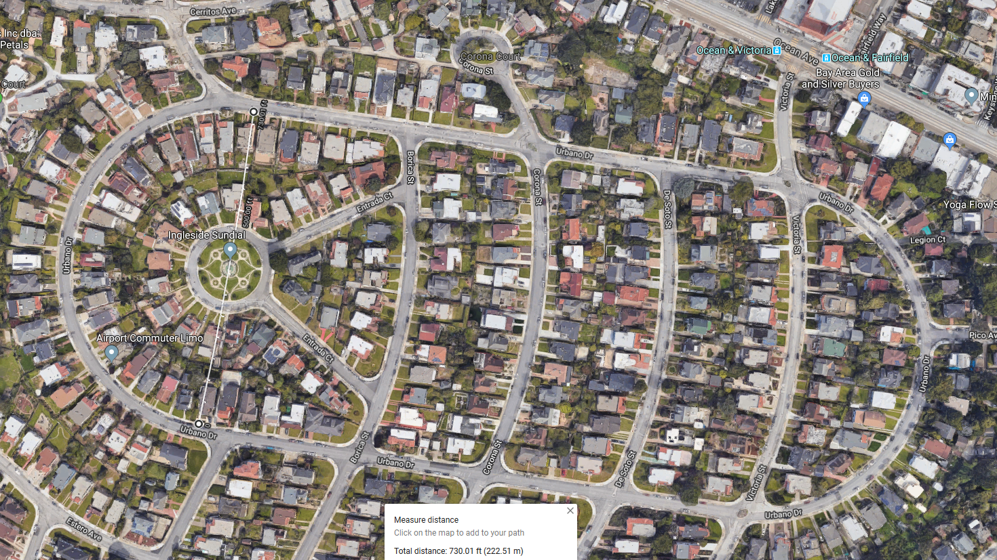

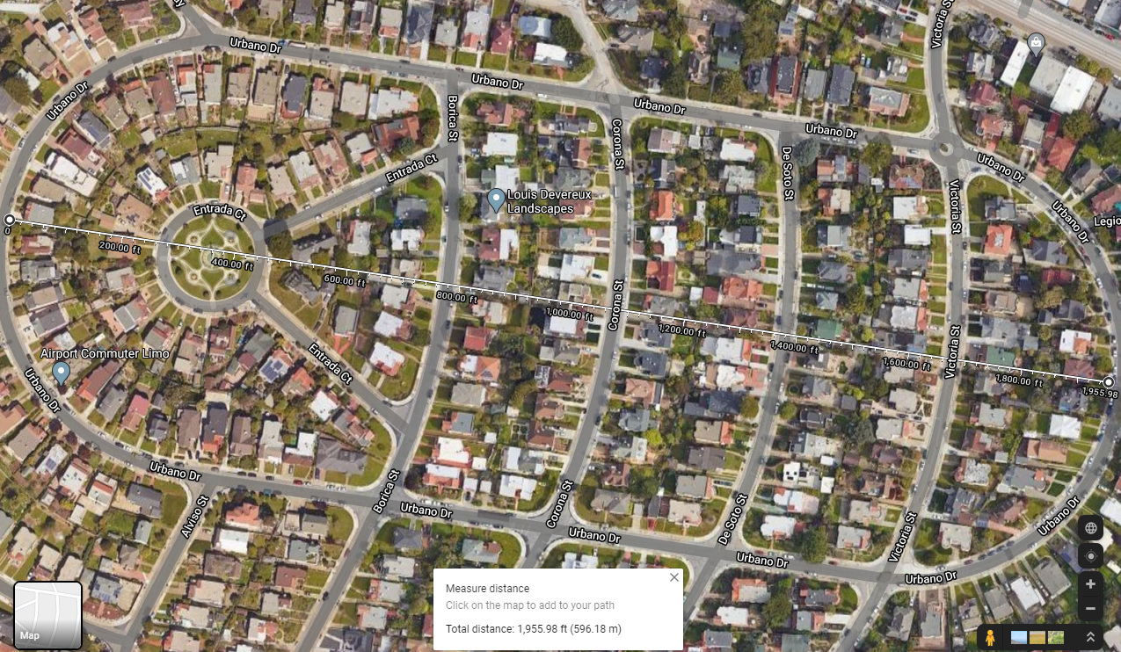

 | To walk or run one mile on Urbano Drive, start at one corner on the outer sidewalk, then complete one loop plus one additional short block.
 |  | e.g., Victoria to De Soto, or De Soto to Corona. |  |  |  | Distance = | 5,265 | feet | 1.00 | mile

